GLSN of 2015_method #2
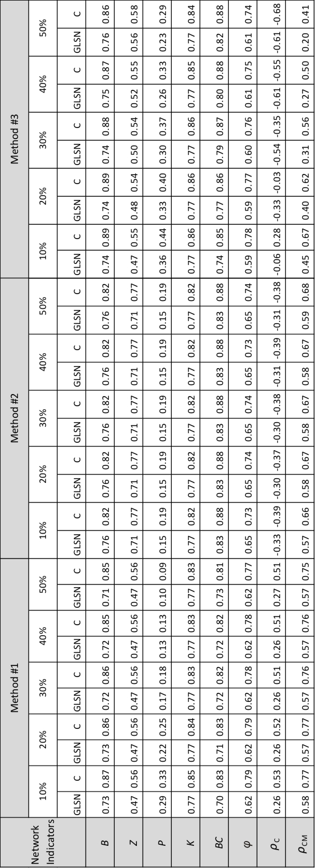
Network indicators | percent of edges | GLSN | C
B | 10 | 0.76 | 0.82
 | 20 | 0.76 | 0.82
 | 30 | 0.76 | 0.82
 | 40 | 0.76 | 0.82
 | 50 | 0.76 | 0.82
BC | 10 | 0.83 | 0.88
 | 20 | 0.83 | 0.88
 | 30 | 0.83 | 0.88
 | 40 | 0.83 | 0.88
 | 50 | 0.83 | 0.88
K | 10 | 0.77 | 0.82
 | 20 | 0.77 | 0.82
 | 30 | 0.77 | 0.82
 | 40 | 0.77 | 0.82
 | 50 | 0.77 | 0.82
P | 10 | 0.15 | 0.19
 | 20 | 0.15 | 0.19
 | 30 | 0.15 | 0.19
 | 40 | 0.15 | 0.19
 | 50 | 0.15 | 0.19
Z | 10 | 0.71 | 0.77
 | 20 | 0.71 | 0.77
 | 30 | 0.71 | 0.77
 | 40 | 0.71 | 0.77
 | 50 | 0.71 | 0.77
phi | 10 | 0.65 | 0.73
 | 20 | 0.65 | 0.74
 | 30 | 0.65 | 0.74
 | 40 | 0.65 | 0.73
 | 50 | 0.65 | 0.74
rho_C | 10 | -0.33 | -0.39
 | 20 | -0.3 | -0.37
 | 30 | -0.3 | -0.38
 | 40 | -0.31 | -0.39
 | 50 | -0.31 | -0.38
rho_CM | 10 | 0.57 | 0.66
 | 20 | 0.58 | 0.67
 | 30 | 0.58 | 0.67
 | 40 | 0.58 | 0.67
 | 50 | 0.59 | 0.68

